Niczuk XP
AS HALS TRADING |  | AS HALS TRADING-T PÕHIHINNAD 2026
Kivikülvi 8 |  | Sepa 19 ilma käibemaksuta
12915 TALLINN |  | 50113 TARTU
Tel. 71 51 400 |  | Tel. 7 301 630
Fax 71 51 401 |  | Fax 7 367 470 |  |  | Allahindlus:
e-mail: hals@hals.ee |  | e-mail: halstartu@hals.ee |  |  | 0%
www.hals.ee

Torukinnitused ja lisamaterjalid

Kood | Nimetus |  | ühik | hind | Netohind

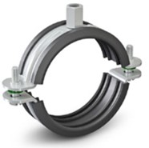
 | XP Toruklamber kummiga DUO
SN90120201708 | XP Toruklamber kummiga DUO 3/8" (17-20mm) |  | tk | 1.34 | 1.34
SN90120202108 | XP Toruklamber kummiga DUO 1/2" (21-25mm) |  | tk | 1.54 | 1.54
SN90120202608 | XP Toruklamber kummiga DUO 3/4" (26-30mm) |  | tk | 1.70 | 1.70
SN90120203308 | XP Toruklamber kummiga DUO 1" (31-36mm) |  | tk | 1.82 | 1.82
SN90120204208 | XP Toruklamber kummiga DUO 1 1/4" (41-46mm) |  | tk | 1.99 | 1.99
SN90120204808 | XP Toruklamber kummiga DUO 1 1/2" (47-52mm) |  | tk | 2.14 | 2.14
SN90120206008 | XP Toruklamber kummiga DUO 2" (59-64mm) |  | tk | 2.45 | 2.45
SN90120207608 | XP Toruklamber kummiga DUO 2 1/2" (72-78mm) |  | tk | 3.14 | 3.14
SN90120208908 | XP Toruklamber kummiga DUO 3" (86-92mm) |  | tk | 3.72 | 3.72
SN90120210808 | XP Toruklamber kummiga DUO 4" (108-115mm) |  | tk | 4.49 | 4.49
SN90120213308 | XP Toruklamber kummiga DUO 5" (133-141mm) |  | tk | 6.02 | 6.02
SN90120215908 | XP Toruklamber kummiga DUO 160 (151-160mm) |  | tk | 6.67 | 6.67
SN90120216008 | XP Toruklamber kummiga DUO 6" (160-169mm) |  | tk | 6.96 | 6.96
SN90120220008 | XP Toruklamber kummiga DUO 200 (200-210mm) |  | tk | 8.47 | 8.47

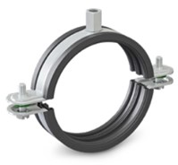
 | XP Ventilatsiooniklamber kummiga UWG
SN91211210008 | XP Ventilatsiooniklamber kummiga UWG 100 mm |  | tk | 4.99 | 4.99
SN91211212508 | XP Ventilatsiooniklamber kummiga UWG 125 mm |  | tk | 5.66 | 5.66
SN91211215008 | XP Ventilatsiooniklamber kummiga UWG 150 mm |  | tk | 6.38 | 6.38
SN91211216008 | XP Ventilatsiooniklamber kummiga UWG 160 mm |  | tk | 6.48 | 6.48
SN91211218008 | XP Ventilatsiooniklamber kummiga UWG 180 mm |  | tk | 7.49 | 7.49
SN91211220008 | XP Ventilatsiooniklamber kummiga UWG 200 mm |  | tk | 8.09 | 8.09
SN91211222508 | XP Ventilatsiooniklamber kummiga UWG 225 mm |  | tk | 8.81 | 8.81
SN91211225008 | XP Ventilatsiooniklamber kummiga UWG 250 mm |  | tk | 9.7 | 9.70
SN91211228008 | XP Ventilatsiooniklamber kummiga UWG 280 mm |  | tk | 10.78 | 10.78
SN91211231508 | XP Ventilatsiooniklamber kummiga UWG 315 mm |  | tk | 13.3 | 13.30
SN91211235508 | XP Ventilatsiooniklamber kummiga UWG 355 mm |  | tk | 14.64 | 14.64
SN91211240008 | XP Ventilatsiooniklamber kummiga UWG 400 mm |  | tk | 17.4 | 17.40

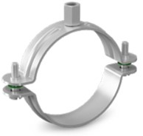
 | XP Toruklamber DUO
SN90130301708 | XP Toruklamber DUO 3/8" (15-17mm) |  | tk | 1.18 | 1.18
SN90130302108 | XP Toruklamber DUO 1/2" (18-22mm) |  | tk | 1.27 | 1.27
SN90130302608 | XP Toruklamber DUO 3/4" (23-27mm) |  | tk | 1.39 | 1.39
SN90130304208 | XP Toruklamber DUO 1 1/4" (39-44mm) |  | tk | 1.63 | 1.63
SN90130304808 | XP Toruklamber DUO 1 1/2" (45-49mm) |  | tk | 1.78 | 1.78
SN90130305008 | XP Toruklamber DUO 54 mm (50-54mm) |  | tk | 1.87 | 1.87
SN90130306008 | XP Toruklamber DUO 2" (60-65mm) |  | tk | 1.94 | 1.94
SN90130307608 | XP Toruklamber DUO 2 1/2" (72-78mm) |  | tk | 2.5 | 2.50
SN90130308908 | XP Toruklamber DUO 3" (85-91mm) |  | tk | 2.26 | 2.26
SN90130310008 | XP Toruklamber DUO 100 mm (99-105mm) |  | tk | 3.72 | 3.72
SN90130310808 | XP Toruklamber DUO 4" (106-113mm) |  | tk | 3.43 | 3.43
SN90130311408 | XP Toruklamber DUO 114 mm (114-122mm) |  | tk | 4.08 | 4.08
SN90130312508 | XP Toruklamber DUO 125 mm (123-131mm) |  | tk | 4.34 | 4.34
SN90130313308 | XP Toruklamber DUO 5" (132-140mm) |  | tk | 4.82 | 4.82
SN90130316008 | XP Toruklamber DUO 6" (168-177mm) |  | tk | 5.57 | 5.57

 | XP Siin 30 x 30 x 2,0 ( A )
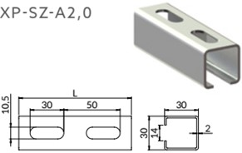

SN90730302028 | XP Siin 30 x 30 x 2,0 x 2000 mm C3/C4 |  | tk | 27.02 | 27.02
SN90730302038 | XP Siin 30 x 30 x 2,0 x 3000 mm C3/C4 |  | tk | 40.54 | 40.54
SN90730302048 | XP Siin 30 x 30 x 2,0 x 4000 mm C3/C4 |  | tk | 54.05 | 54.05
SN90730302068 | XP Siin 30 x 30 x 2,0 x 6000 mm C3/C4 |  | tk | 81.07 | 81.07

 | XP Siin 41 x 41 x 2,0 ilma avateta ( MF )
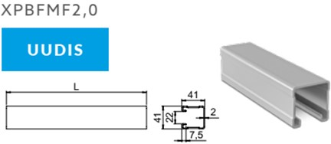

SN90740412228 | XP Siin 41 x 41 x 2,0 x 2000 mm ilma avateta C3/C4 |  | tk | 42.17 | 42.17
SN90740412238 | XP Siin 41 x 41 x 2,0 x 3000 mm ilma avateta C3/C4 |  | tk | 63.26 | 63.26
SN90740412248 | XP Siin 41 x 41 x 2,0 x 4000 mm ilma avateta C3/C4 |  | tk | 84.34 | 84.34
SN90740412268 | XP Siin 41 x 41 x 2,0 x 6000 mm ilma avateta C3/C4 |  | tk | 126.5 | 126.50

 | XP Siin 41 x 21 x 2,0 ( MG )
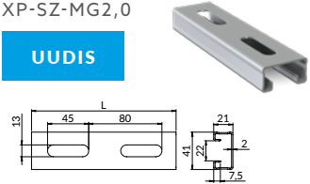

SN90741212028 | XP Siin 41 x 21 x 2,0 x 2000 mm C3/C4 |  | tk | 36.62 | 36.62
SN90741212038 | XP Siin 41 x 21 x 2,0 x 3000 mm C3/C4 |  | tk | 54.94 | 54.94
SN90741212048 | XP Siin 41 x 21 x 2,0 x 4000 mm C3/C4 |  | tk | 73.25 | 73.25
SN90741212068 | XP Siin 41 x 21 x 2,0 x 6000 mm C3/C4 |  | tk | 109.9 | 109.90

 | XP Siin 41 x 41 x 2,0 ( MF )
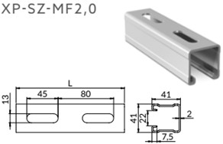

SN90741412028 | XP Siin 41 x 41 x 2,0 x 2000 mm C3/C4 |  | tk | 43.1 | 43.10
SN90741412038 | XP Siin 41 x 41 x 2,0 x 3000 mm C3/C4 |  | tk | 64.68 | 64.68
SN90741412048 | XP Siin 41 x 41 x 2,0 x 4000 mm C3/C4 |  | tk | 86.23 | 86.23
SN90741412068 | XP Siin 41 x 41 x 2,0 x 6000 mm C3/C4 |  | tk | 133.87 | 133.87

 | XP Siin 41 x 41 x 2,5 ( MF )
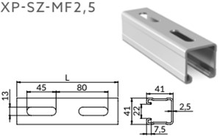

SN90741412528 | XP Siin 41 x 41 x 2,5 x 2000 mm C3/C4 |  | tk | 50.38 | 50.38
SN90741412538 | XP Siin 41 x 41 x 2,5 x 3000 mm C3/C4 |  | tk | 75.58 | 75.58
SN90741412548 | XP Siin 41 x 41 x 2,5 x 4000 mm C3/C4 |  | tk | 100.78 | 100.78
SN90741412568 | XP Siin 41 x 41 x 2,5 x 6000 mm C3/C4 |  | tk | 151.18 | 151.18

 | XP Siin 41 x 62 x 2,5 ( MH )
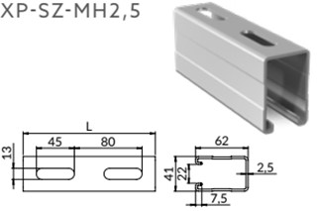

SN90741622528 | XP Siin 41 x 62 x 2,5 x 2000 mm C3/C4 |  | tk | 67.8 | 67.80
SN90741622538 | XP Siin 41 x 62 x 2,5 x 3000 mm C3/C4 |  | tk | 101.69 | 101.69
SN90741622548 | XP Siin 41 x 62 x 2,5 x 4000 mm C3/C4 |  | tk | 135.6 | 135.60
SN90741622568 | XP Siin 41 x 62 x 2,5 x 6000 mm C3/C4 |  | tk | 203.38 | 203.38

 | XP Siin 41 x 82 x 2,5 ( MI )
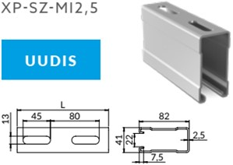

SN90741822528 | XP Siin 41 x 82 x 2,5 x 2000 mm C3/C4 |  | tk | 90.41 | 90.41
SN90741822538 | XP Siin 41 x 82 x 2,5 x 3000 mm C3/C4 |  | tk | 135.6 | 135.60
SN90741822548 | XP Siin 41 x 82 x 2,5 x 4000 mm C3/C4 |  | tk | 180.82 | 180.82
SN90741822568 | XP Siin 41 x 82 x 2,5 x 6000 mm C3/C4 |  | tk | 271.2 | 271.20

 | XP Topeltsiin 41 x 103 x 2,5 ( SD-MFH )
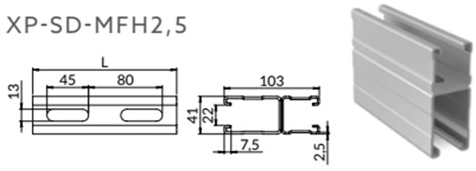

SN90841032538 | XP Topeltsiin 41 x 103 x 2,5 x 3000 C3/C4 |  | tk | 230.04 | 230.04
SN90841032568 | XP Topeltsiin 41 x 103 x 2,5 x 6000 C3/C4 |  | tk | 460.08 | 460.08

 | XP Topeltsiin 41 x 124 x 2,5 ( SD-MH )
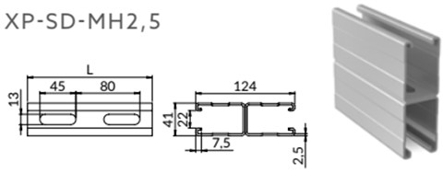

SN90841242528 | XP Topeltsiin 41 x 124 x 2,5 x 2000 C3/C4 |  | tk | 182.47 | 182.47
SN90841242538 | XP Topeltsiin 41 x 124 x 2,5 x 3000 C3/C4 |  | tk | 273.72 | 273.72
SN90841242548 | XP Topeltsiin 41 x 124 x 2,5 x 4000 C3/C4 |  | tk | 364.97 | 364.97
SN90841242568 | XP Topeltsiin 41 x 124 x 2,5 x 6000 C3/C4 |  | tk | 547.44 | 547.44

 | XP Topeltsiin 41 x 82 x 2,5 ( SD-MF )
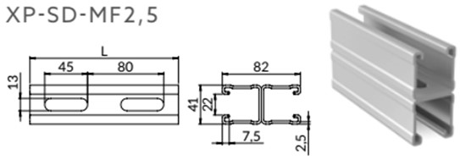

SN90841822528 | XP Topeltsiin 41 x 82 x 2,5 x 2000 C3/C4 |  | tk | 120.55 | 120.55
SN90841822538 | XP Topeltsiin 41 x 82 x 2,5 x 3000 C3/C4 |  | tk | 180.84 | 180.84
SN90841822548 | XP Topeltsiin 41 x 82 x 2,5 x 4000 C3/C4 |  | tk | 241.1 | 241.10
SN90841822568 | XP Topeltsiin 41 x 82 x 2,5 x 6000 C3/C4 |  | tk | 361.68 | 361.68

 | XP Seinakinnitus XP-ST-S
SN91125030308 | XP Seinakinnitus XP-ST-S siinile A, C, W, X |  | tk | 12.65 | 12.65
SN91125041418 | XP Seinakinnitus XP-ST-S siinile MF, MH |  | tk | 21.7 | 21.70

 | XP Seinakinnitus XP-ST-SL
SN91127030308 | XP Seinakinnitus XP-ST-SLA siinile A |  | tk | 7.18 | 7.18
SN91127041418 | XP Seinakinnitus XP-ST-SLMF siinile MF |  | tk | 11.66 | 11.66

 | XP liigendiga kinnitus XP-STRG
SN91126041418 | XP liigendiga kinnitus XP-STRG-MF siinile MF |  | tk | 26.86 | 26.86

 | XP Seinakinnitus XP-ST-SD
SN91120041828 | XP Seinakinnitus XP-ST-SD siinile SD-MF 41X82 |  | tk | 45.12 | 45.12

 | XP Siini jätk XP-LSE-MF
SN91140141418 | XP Siini jätk XP-LSE-MF |  | tk | 25.34 | 25.34

 | XP kinnitusplaat XP-PG
SN91150411208 | XP kinnitusplaat XP-PG-MF-M12 |  | tk | 5.28 | 5.28

 | XP kinnitusplaat XP-PGL
SN91150411248 | XP kinnitusplaat XP-PGL-MF-M12 |  | tk | 7.61 | 7.61

 | XP Paigaldusdetail XP-XK
SN91130300008 | XP Paigaldusdetail XP-XK-A 30x30 siinile |  | tk | 5.95 | 5.95
SN91141410008 | XP Paigaldusdetail XP-XK-MF 41x41 siinile |  | tk | 7.1 | 7.10
SN91141620008 | XP Paigaldusdetail XP-XK-MH 41x62 siinile |  | tk | 8.23 | 8.23

 | XP Paigaldusnurk 90° XP-XX3
SN91130030908 | XP Paigaldusnurk 90° XP-XX3-A90 1x2 ava |  | tk | 3.14 | 3.14
SN91141030908 | XP Paigaldusnurk 90° XP-XX3-MF90 1x2 ava |  | tk | 5.66 | 5.66
SN91141230908 | XP Paigaldusnurk 90° XP-XX3-MF90-P 1x2 ava ( 17 mm ) |  | tk | 6.6 | 6.60

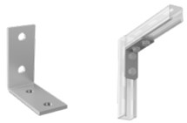
 | XP Paigaldusnurk 90° XP-XX7
SN91130070908 | XP Paigaldusnurk 90° XP-XX7-A90 2x2 ava |  | tk | 3.46 | 3.46
SN91141070908 | XP Paigaldusnurk 90° XP-XX7-MF90 2x2 ava |  | tk | 5.9 | 5.90

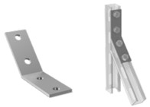
 | XP Paigaldusnurk 135° XP-XX7-135
SN91141071358 | XP Paigaldusnurk 135° XP-XX7-MF135 2x2 ava |  | tk | 5.9 | 5.90

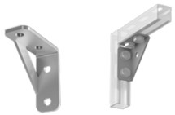
 | XP paigaldusnurk 90° XP-XZ7
SN91130070018 | XP paigaldusnurk 90° XP-XZ7-A |  | tk | 6.34 | 6.34
SN91141070018 | XP paigaldusnurk 90° XP-XZ7-MF |  | tk | 8.62 | 8.62

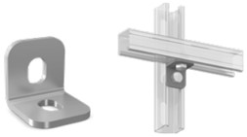
 | XP Paigaldusnurk 90° XP-X7
SN91170070008 | XP Paigaldusnurk 90° XP-X7-MF |  | tk | 3.41 | 3.41

 | XP Tugi klambritele M8 XP-DL
SN91140190088 | XP Tugi klambritele M8 XP-DL-MF-M8 |  | tk | 2.47 | 2.47
SN91140190108 | XP Tugi klambritele M10 XP-DL-MF-M10 |  | tk | 3.5 | 3.50

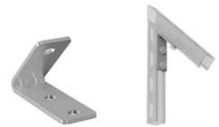
 | XP Paigaldusnurk XPMX1D4
SN91141100008 | XP Paigaldusnurk 45° XPMX1D4 |  | tk | 4.8 | 4.80

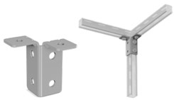
 | XP Paigaldusnurk XPMX2D4
SN91141200008 | XP Paigaldusnurk 90°/90° XPMX2D4 |  | tk | 7.37 | 7.37

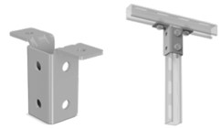
 | XP Paigaldusnurk XPMX3D4
SN91141300008 | XP Paigaldusnurk T 90°/90° XPMX3D4 |  | tk | 9.98 | 9.98

 | XP Liugmutter siinile XP-NSS-A
SN91190300838 | XP Liugmutter siinile M8 XP-NSS-A-M8 |  | tk | 0.46 | 0.46
SN91190301038 | XP Liugmutter siinile M10 XP-NSS-A-M10 |  | tk | 0.53 | 0.53

 | XP Mutter siinile XP-NSZ
SN91190410818 | XP Mutter siinile M8 XP-NSZ-MF-M8 |  | tk | 0.91 | 0.91
SN91190411018 | XP Mutter siinile M10 XP-NSZ-MF-M10 |  | tk | 0.96 | 0.96
SN91190411218 | XP Mutter siinile M12 XP-NSZ-MF-M12 |  | tk | 1.03 | 1.03

 | XP Kiirmutter siinile XP-EZP
SN91140410808 | XP Kiirmutter siinile M8 XP-EZP-MF-M8 |  | tk | 1.42 | 1.42
SN91140411008 | XP Kiirmutter siinile M10 XP-EZP-MF-M10 |  | tk | 1.42 | 1.42
SN91140411208 | XP Kiirmutter siinile M12 XP-EZP-MF-M12 |  | tk | 1.78 | 1.78

 | XP Kinnitus talale XP-KLM
SN91310410308 | XP Kinnitus talale XP-KLM-MFH-D |  | tk | 12.62 | 12.62
SN91310412408 | XP Kinnitus talale XP-KLM-MH-D |  | tk | 13.39 | 13.39
SN91310414108 | XP Kinnitus talale XP-KLM-MF |  | tk | 8.45 | 8.45
SN91310416208 | XP Kinnitus talale XP-KLM-MH |  | tk | 10.63 | 10.63

 | XP U-Seib XP-PDC
SN91107414108 | XP U-Seib ava 12,5 mm XP-PDC-MF |  | tk | 1.49 | 1.49

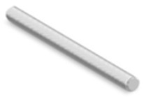
 | XP keermelatt
SN91470081008 | XP keermelatt M8 x 1000mm |  | tk | 7.06 | 7.06
SN91470082008 | XP keermelatt M8 x 2000mm |  | tk | 13.99 | 13.99
SN91470101008 | XP keermelatt M10 x 1000mm |  | tk | 8.83 | 8.83
SN91470102008 | XP keermelatt M10 x 2000mm |  | tk | 19.37 | 19.37
SN91470121008 | XP keermelatt M12 x 1000 mm |  | tk | 10.73 | 10.73
SN91470122008 | XP keermelatt M12 x 2000 mm |  | tk | 27.84 | 27.84
SN91470161008 | XP keermelatt M16 x 1000 mm |  | tk | 18.58 | 18.58
SN91470162008 | XP keermelatt M16 x 2000 mm |  | tk | 50.21 | 50.21
SN91470201008 | XP keermelatt M20 x 1000 mm |  | tk | 39 | 39.00

 | XP Polt
SN91402080308 | XP Polt M8 x 30mm |  | tk | 0.31 | 0.31
SN91402080808 | XP Polt M8 x 80mm |  | tk | 0.6 | 0.60
SN91402100308 | XP Polt M10 x 30mm |  | tk | 0.5 | 0.50
SN91402100508 | XP Polt M10 x 50mm |  | tk | 0.67 | 0.67
SN91402100608 | XP Polt M10 x 60mm |  | tk | 0.77 | 0.77
SN91402100808 | XP Polt M10 x 80mm |  | tk | 1.34 | 1.34
SN91402101008 | XP Polt M10 x 100mm |  | tk | 1.1 | 1.10
SN91402101208 | XP Polt M10 x 120mm |  | tk | 1.49 | 1.49
SN91402120308 | XP Polt M12 x 30mm |  | tk | 0.74 | 0.74
SN91402120608 | XP Polt M12 x 60mm |  | tk | 1.34 | 1.34
SN91402120808 | XP Polt M12 x 80mm |  | tk | 1.39 | 1.39
SN91402121008 | XP Polt M12 x 100mm |  | tk | 1.75 | 1.75
SN91402121208 | XP Polt M12 x 120mm |  | tk | 1.68 | 1.68

 | XP Lai seib
SN91480100808 | XP Lai seib M8 d. 8,4mm d. 26mm | 81480100808 XP-PD-8 | tk | 0.17 | 0.17
SN91480101008 | XP Lai seib M10 d.10,5mm d. 26mm | 81480101008 XP-PD-10 | tk | 0.17 | 0.17
SN91480101208 | XP Lai seib M12 d. 13mm d. 26mm | 81480101208 XP-PD-12 | tk | 0.17 | 0.17
SN91480200808 | XP Lai seib M8 dia 8,5mm d. 36mm | 81480200808 XP-PD-8-P | tk | 0.55 | 0.55
SN91480201008 | XP Lai seib M10 dia 10,5mm d. 36mm | 81480201008 XP-PD-10-P | tk | 0.55 | 0.55
SN91480201208 | XP Lai seib M12 dia 12,5mm d. 36mm | 81480201208 XP-PD-12-P | tk | 0.58 | 0.58

 | XP Mutter
SN91490008008 | XP Mutter M8 XP-144-M8 | 81490008008 XP-144-M8 | tk | 0.1 | 0.10
SN91490010008 | XP Mutter M10 XP-144-M10 | 81490010008 XP-144-M10 | tk | 0.14 | 0.14
SN91490012008 | XP Mutter M12 XP-144-M12 | 81490012008 XP-144-M12 | tk | 0.19 | 0.19
SN91490016008 | XP Mutter M16 XP-144-M16 | 81490016008 XP-144-M16 | tk | 0.7 | 0.70
SN91490020008 | XP Mutter M20 XP-144-M20 | 81490020008 XP-144-M20 | tk | 1.2 | 1.20

 | Katusejalg PDT-MF
SN83020020415 | Katusejalg PDT-MF-200 1,5 kN |  | tk | 40.01 | 40.01
SN83030520415 | Katusejalg PDT-MF-305 3,5 kN |  | tk | 60.67 | 60.67
SN83050020415 | Katusejalg PDT-MF-500 5,0 kN |  | tk | 126.12 | 126.12

 | Katusejalg AL
SN83025011005 | Katusejalg AL 250 mm PDE-250 | 83025011005 PDE-250 | tk | 30.86 | 30.86
SN83040011005 | Katusejalg AL 400 mm PDE-400 | 83040011005 PDE-400 | tk | 43.08 | 43.08
SN83060011005 | Katusejalg AL 600 mm PDE-600 | 83060011005 PDE-600 | tk | 75.22 | 75.22
SN83010001105 | Katusejalg AL 1000 mm PDE-1000 | 83010001105 PDE-1000 | tk | 118.3 | 118.30

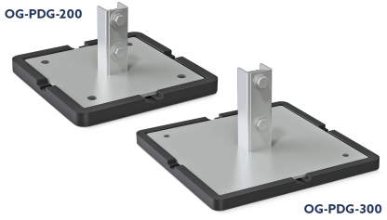
 | KZN Katusejalg OG-PDG
SN51220203011 | KZN Katusejalg A 200x200 |  | tk | 43.39 | 43.39
SN51220303011 | KZN Katusejalg A 300x300 |  | tk | 73.49 | 73.49
SN51220204111 | KZN Katusejalg MF 200x200 |  | tk | 48.48 | 48.48
SN51220304111 | KZN Katusejalg MF 300x300 |  | tk | 81.1 | 81.10
SN51220454111 | KZN Katusejalg MF 450x450 |  | tk | 190.92 | 190.92
SN51220305011 | KZN Katusejalg MB 300x300 |  | tk | 81.02 | 81.02
SN51220455011 | KZN Katusejalg MB 450x450 |  | tk | 186.74 | 186.74

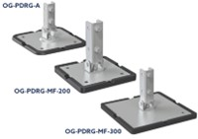
 | KZN Katusejalg OG-PDRG
SN51231203011 | KZN Katusejalg A 200x200 liigendiga |  | tk | 48.86 | 48.86
SN51231204111 | KZN Katusejalg MF 200x200 liigendiga |  | tk | 55.56 | 55.56
SN51231304111 | KZN Katusejalg MF 300x300 liigendiga |  | tk | 88.46 | 88.46
SN51231454111 | KZN Katusejalg MF 450x450 liigendiga |  | tk | 194.3 | 194.30

