Leht1
AS HALS TRADING |  | AS HALS TRADING-T | PÕHIHINNAD 01.01.2021
Kadaka tee 42 H |  | SEPA 19 | ilma käibemaksuta
12915 TALLINN |  | 50113 TARTU
Tel. 71 51 400 |  | Tel. 7 301 630
e-mail: hals@hals.ee |  | e-mail: halstartu@hals.ee |  | Allahindlus:
www.hals.ee |  |  |  | 0%

BAHCO KÄSITÖÖRIISTAD

 | Kood | Nimetus | Hind 0% | Netohind
 | TRTM042755 | Armatuuri sidumiskonks Twister 1,5x kiirusega (töö | 18.9 | 18.90
 | TRTM108M | Kapro torulukksepa lood 108 70cm, magnetiga | 27.65 | 27.65
 | TRTM11454140300 | Metallipuur FURIUS 3,0 mm, 2tk pakis HSS | 3.48 | 3.48
 | TRTM11454140320 | Metallipuur FURIUS 3,2 mm, 2tk pakis HSS | 3.74 | 3.74
 | TRTM11454140350 | Metallipuur FURIUS 3,5 mm, 2tk pakis HSS | 3.82 | 3.82

 | TRTM11454140400 | Metallipuur FURIUS 4,0 mm, 2tk pakis HSS | 4.18 | 4.18
 | TRTM11454140450 | Metallipuur FURIUS 4,5 mm, 2tk pakis HSS | 4.47 | 4.47
 | TRTM11454140500 | Metallipuur FURIUS 5,0 mm, 2tk pakis HSS | 4.77 | 4.77
 | TRTM11454140550 | Metallipuur FURIUS 5,5 mm HSS | 3.28 | 3.28
 | TRTM11454140600 | Metallipuur FURIUS 6,0 mm HSS | 3.38 | 3.38
 | TRTM11454140650 | Metallipuur FURIUS 6,5 mm HSS | 4.08 | 4.08
 | TRTM11454140700 | Metallipuur FURIUS 7,0 mm HSS | 4.64 | 4.64
 | TRTM11454140750 | Metallipuur FURIUS 7,5 mm HSS | 4.77 | 4.77
 | TRTM11454140800 | Metallipuur FURIUS 8,0 mm HSS | 5.5 | 5.50
 | TRTM11454140850 | Metallipuur FURIUS 8,5 mm HSS | 5.77 | 5.77
 | TRTM11454140900 | Metallipuur FURIUS 9,0 mm HSS | 6.51 | 6.51
 | TRTM11454140950 | Metallipuur FURIUS 9,5 mm HSS | 6.93 | 6.93
 | TRTM11454141000 | Metallipuur FURIUS 10,0 mm HSS | 7.39 | 7.39
 | TRTM11454141050 | Metallipuur FURIUS 10,5 mm HSS | 9.65 | 9.65
 | TRTM11454141100 | Metallipuur FURIUS 11,0 mm HSS | 11.86 | 11.86
 | TRTM11454141150 | Metallipuur FURIUS 11,5 mm HSS | 12.56 | 12.56
 | TRTM11454141200 | Metallipuur FURIUS 12,0 mm HSS | 13.47 | 13.47
 | TRTM11454141250 | Metallipuur FURIUS 12,5 mm HSS | 13.47 | 13.47
 | TRTM11454141300 | Metallipuur FURIUS 13,0 mm HSS | 15.07 | 15.07

 | TRTM12000420400 | Klaasipuur 4 mm nelja loikeservaga | 6.65 | 6.65
 | TRTM12000420500 | Klaasipuur 5 mm nelja loikeservaga | 7.04 | 7.04
 | TRTM12000420600 | Klaasipuur 6 mm nelja loikeservaga | 7.43 | 7.43
 | TRTM12000420800 | Klaasipuur 8 mm nelja loikeservaga | 8.17 | 8.17

 | TRTM12000920500 | Teemantpuur parafiiniga 5mm | 25.88 | 25.88
 | TRTM12000920600 | Teemantpuur parafiiniga 6mm | 25.88 | 25.88
 | TRTM12000920800 | Teemantpuur parafiiniga 8mm | 25.88 | 25.88
 | TRTM12000921000 | Teemantpuur parafiiniga 10mm | 25.88 | 25.88

 | TRTM208 | Rauasaag MINI 250mm | 9.01 | 9.01
 | TRTM2444 | Pussnuga BAHCO roostevaba | 7.92 | 7.92
 | TRTM350 | Toru loodide kmpl 5osa | 11.18 | 11.18
 | TRTM59/S31B | Otsakute kmpl 31osa magnethoidikuga | 8.22 | 8.22
 | TRTM59S/22-2 | Otsikute kmpl 22 osa kummist hoidikus karabiiniga | 9.59 | 9.59
 | TRTM59/S35BC | Värvikoodidega otsikute kmpl 1/4" 35 osa 2 magnet | 36.68 | 36.68
 | TRTM650 | Värvikaabits 50mm Ergo | 12.04 | 12.04
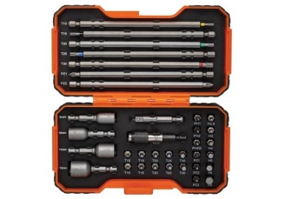

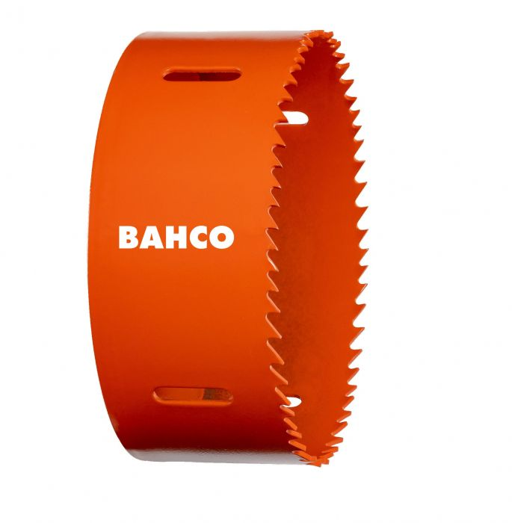
 | TRTM3830-108-C | BAHCO augusaag bimetall 108mm | 15.39 | 15.39
 | TRTM3830-114-C | BAHCO augusaag bimetall 114mm | 18.5 | 18.50
 | TRTM3830-121-C | BAHCO augusaag bimetall 121mm | 20.2 | 20.20
 | TRTM3830-127-C | BAHCO augusaag bimetall 127mm | 20.79 | 20.79
 | TRTM3830-133-C | BAHCO augusaag bimetall 133mm | 21.14 | 21.14
 | TRTM3830-168 | BAHCO augusaag bimetall 168mm | 37.1 | 37.10
 | TRTM3830-16-C | BAHCO augusaag bimetall 16mm | 6.72 | 6.72
 | TRTM3830-19-C | BAHCO augusaag bimetall 19mm | 6.72 | 6.72
 | TRTM3830-21-C | BAHCO augusaag bimetall 21mm | 6.72 | 6.72
 | TRTM3830-22-C | BAHCO augusaag bimetall 22mm | 6.72 | 6.72
 | TRTM3830-25-C | BAHCO augusaag bimetall 25mm | 7.32 | 7.32
 | TRTM3830-27-C | BAHCO augusaag bimetall 27mm | 7.32 | 7.32
 | TRTM3830-29-C | BAHCO augusaag bimetall 29mm | 7.32 | 7.32
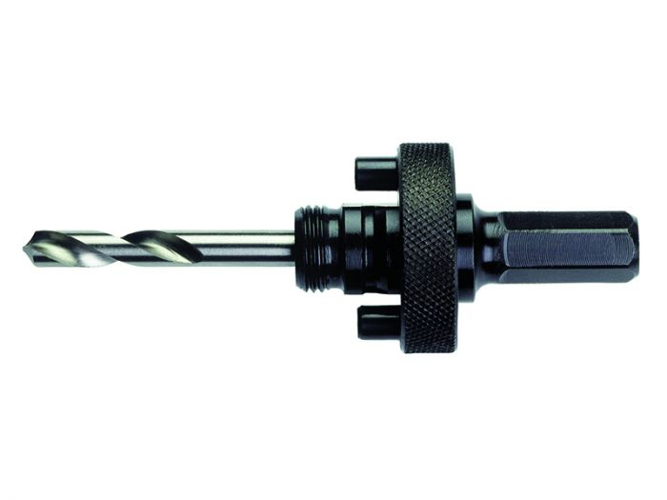
 | TRTM3830-32-C | BAHCO augusaag bimetall 32mm | 7.56 | 7.56
 | TRTM3830-33-C | BAHCO augusaag bimetall 33mm | 7.68 | 7.68
 | TRTM3830-35-C | BAHCO augusaag bimetall 35mm | 7.8 | 7.80
 | TRTM3830-37-C | BAHCO augusaag bimetall 37mm | 7.91 | 7.91
 | TRTM3830-40-C | BAHCO augusaag bimetall 40mm | 7.91 | 7.91
 | TRTM3830-43-C | BAHCO augusaag bimetall 43mm | 8.16 | 8.16
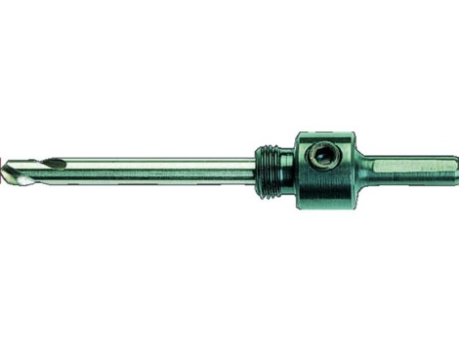
 | TRTM3830-44-C | BAHCO augusaag bimetall 44mm | 8.16 | 8.16
 | TRTM3830-46-C | BAHCO augusaag bimetall 46mm | 8.42 | 8.42
 | TRTM3830-48-C | BAHCO augusaag bimetall 48mm | 8.42 | 8.42
 | TRTM3830-51-C | BAHCO augusaag bimetall 51mm | 8.93 | 8.93
 | TRTM3830-52-C | BAHCO augusaag bimetall 52mm | 8.93 | 8.93
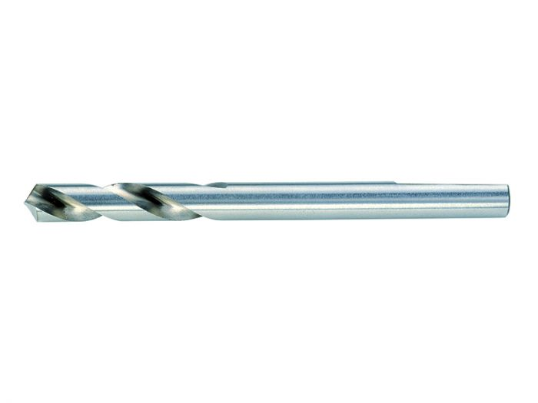
 | TRTM3830-57-C | BAHCO augusaag bimetall 57mm | 9.36 | 9.36
 | TRTM3830-60-C | BAHCO augusaag bimetall 60mm | 9.88 | 9.88
 | TRTM3830-64-C | BAHCO augusaag bimetall 64mm | 10.8 | 10.80
 | TRTM3830-67-C | BAHCO augusaag bimetall 67mm | 10.94 | 10.94
 | TRTM3830-70-C | BAHCO augusaag bimetall 70mm | 11.21 | 11.21
 | TRTM3830-73-C | BAHCO augusaag bimetall 73mm | 11.61 | 11.61
 | TRTM3830-76-C | BAHCO augusaag bimetall 76mm | 12.15 | 12.15
 | TRTM3830-83-C | BAHCO augusaag bimetall 83mm | 12.96 | 12.96
 | TRTM3830-92-C | BAHCO augusaag bimetall 92mm | 13.5 | 13.50
 | TRTM383411152QC | Augusae hoidik 32-210mm saba 11,1mm pappkarbis | 7.88 | 7.88
 | TRTM3834ARBR1130C | Augusae hoidik 14-30/11,1mm | 8.13 | 8.13
 | TRTM3834ARBR9100E | Augusae hoidik bimetall 32-210mm kiireemaldusega | 34.33 | 34.33
 | TRTM3834ARBR930ES | Augusae hoidik 14-30mm, kiireemaldusega | 27.2 | 27.20
 | TRTM3834ARBRSD152 | Augusae hoidik SDS 32-210mm | 8.5 | 8.50
 | TRTM3834-DRL | Augusae juhtpuur HSS 6,35mm, pikkus 81mm | 3.26 | 3.26
 | TRTM3834-EXT-1 | Hoidiku pikendus 11,1/330mm | 9.05 | 9.05

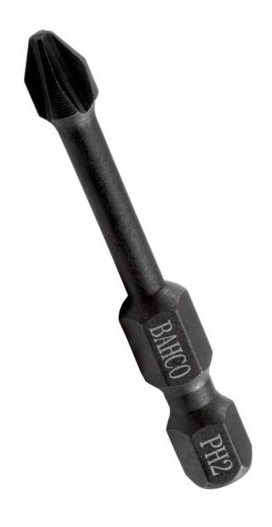
 | TRTM66IM/50PH1-2P | Otsikud 66IM PH1 50mm Impact, 2tk | 3.21 | 3.21
 | TRTM66IM/50PH2-2P | Otsikud 66IM PH2 50mm Impact, 2tk | 3.21 | 3.21
 | TRTM66IM/50PH3-2P | Otsikud 66IM PH3 50mm Impact, 2tk | 3.21 | 3.21
 | TRTM66IM/50PZ1-2P | Otsikud 66IM PZ1 50mm Impact, 2tk | 3.21 | 3.21
 | TRTM66IM/50PZ2-2P | Otsikud 66IM PZ2 50mm Impact, 2tk | 3.21 | 3.21
 | TRTM66IM/50PZ3-2P | Otsikud 66IM PZ3 50mm Impact, 2tk | 3.21 | 3.21
 | TRTM66IM/50T10C-2 | Otsikud 66IM T10 50mm Impact, 2tk | 3.21 | 3.21
 | TRTM66IM/50T15C-2 | Otsikud 66IM T15 50mm Impact, 2tk | 3.21 | 3.21
 | TRTM66IM/50T20C-2 | Otsikud 66IM T20 50mm Impact, 2tk | 3.21 | 3.21
 | TRTM66IM/50T25C-2 | Otsikud 66IM T25 50mm Impact, 2tk | 3.21 | 3.21
 | TRTM66IM/50T27C-2 | Otsikud 66IM T27 50mm Impact, 2tk | 3.21 | 3.21
 | TRTM66IM/50T30C-2 | Otsikud 66IM T30 50mm Impact, 2tk | 3.21 | 3.21
 | TRTM66IM/50T40C-2 | Otsikud 66IM T40 50mm Impact, 2tk | 3.21 | 3.21
 | TRTM66IM/PH1-2P | Otsikud 66IM PH1 25mm Impact, 2tk | 2.5 | 2.50
 | TRTM66IM/PH2-2P | Otsikud 66IM PH2 25mm Impact, 2tk | 2.5 | 2.50
 | TRTM66IM/PH3-2P | Otsikud 66IM PH3 25mm Impact, 2tk | 2.5 | 2.50
 | TRTM66IM/PZ1-2P | Otsikud 66IM PZ1 25mm Impact, 2tk | 2.5 | 2.50
 | TRTM66IM/PZ2-2P | Otsikud 66IM PZ2 25mm Impact, 2tk | 2.5 | 2.50
 | TRTM66IM/PZ3-2P | Otsikud 66IM PZ3 25mm Impact, 2tk | 2.5 | 2.50
 | TRTM66IM/T10C-2P | Otsikud 66IM T10 25mm Impact, 2tk | 2.5 | 2.50
 | TRTM66IM/T15C-2P | Otsikud 66IM T15 25mm Impact, 2tk | 2.5 | 2.50
 | TRTM66IM/T20C-2P | Otsikud 66IM T20 25mm Impact, 2tk | 2.5 | 2.50
 | TRTM66IM/T25C-2P | Otsikud 66IM T25 25mm Impact, 2tk | 2.5 | 2.50
 | TRTM66IM/T27C-2P | Otsikud 66IM T27 25mm Impact, 2tk | 2.5 | 2.50
 | TRTM66IM/T30C-2P | Otsikud 66IM T30 25mm Impact, 2tk | 2.5 | 2.50
 | TRTM66IM/T40C-2P | Otsikud 66IM T40 25mm Impact, 2tk | 2.5 | 2.50

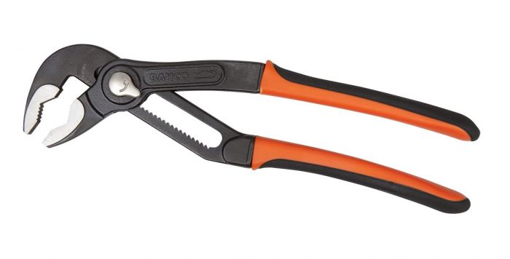
 | TRTM7223 | Liugühendusega tangid 200 mm max 50mm | 24.51 | 24.51
 | TRTM7224 | Liugühendusega tangid 250 mm max 61mm | 29.18 | 29.18
 | TRTM7225 | Liugühendusega tangid 300 mm max 71mm | 35.82 | 35.82
 | TRTM8223 | Liugühendusega tangid 210 mm max 37mm | 32.27 | 32.27
 | TRTM8224 | Liugühendusega tangid 250mm max 45mm | 25.01 | 25.01
 | TRTM8225 | Liugühendusega tangid 315mm max 55mm | 34.75 | 34.75
 | TRTM8231 | Liugühendusega tangid 225mm max 51mm | 25.01 | 25.01

 | TRTM808050L | Narrega kruvikeeraja LED-lambiga + otsIkud | 23.25 | 23.25
 | TRTM8195-SET | Radiaatiori ventiili astmeline nelikant voti 1/2" | 41.27 | 41.27
 | TRTM846 | Lood valu "Cyclops" magnetiga | 15.63 | 15.63
 | TRTM862G | Laserlood rist 862G magentiga, rohelise kiirega | 86.18 | 86.18
 | TRTM873G | Laserlood 873G PROLASER VECTOR 3 rohelist kiirt | 155.52 | 155.52
 | TRTM886-24 | Multifunkts. magnetiga seinakinnitus ristjoonlaser | 34.65 | 34.65
 | TRTM9029-T | Tellitav voti ohuke 170mm max 32mm Ergo | 23.23 | 23.23
 | TRTM9031-T | Tellitav voti ohuke 218mm max 38mm Ergo | 28.11 | 28.11
 | TRTM923-10-25 | Lood Torpedo PS 250mm magnetiga | 22.02 | 22.02
 | TRTMBE-9881SL | Elektriku kruvikeerajate kompl. ERGO slim | 21.18 | 21.18
 | TRTMBLTS7P | Akuga led taskulamp kahesüsteemne magnetiga 170mm | 32.87 | 32.87
 | TRTMDR10106001004 | Kätepuhastusgeel Dreumex Plus 600ml | 8.35 | 8.35
 | TRTMDR10406001007 | Kätepuhastuspasta Dreumex Special 550g | 6.28 | 6.28
 | TRTMMACH-18X | Matseete 46cm vutlariga 13098 | 18.69 | 18.69
 | TRTMMTS-5-25 | Moodulint roostevaba MTS 5m x 25mm | 17.12 | 17.12
 | TRTMS4RM/3T | Narre-lehtsilmusvotmete kmpl 3 osaline | 57.98 | 57.98
 | TRTMSBSL25 | Padrunite 4-13mm ja otsikute kompl. 25 osa | 26.52 | 26.52
 | TRTMWBMF190 | Mini sorgkang lapik 188mm 77g | 7.38 | 7.38
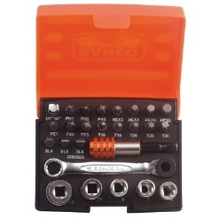
 | TRTMDY42272 | Niisked puhastuslapid Scrubs (72tk/ämbris) | 24.98 | 24.98
 | TRTMSB-2058/S26 | Padrunite 6-13mm ja otsakute kmpl 26 osa | 25.92 | 25.92
 | TRTMUV9192223 | Kaitseprillid Uvex Pheos must/roheline | 6.88 | 6.88
 | TRTMUV9192243 | Kaitseprillid Uvex Pheos must/oranz | 6.88 | 6.88
 | TRTMUV9192383 | Kaitseprillid Uvex Pheos must/kollane | 6.88 | 6.88
 | TRTMUV9193375 | Kaitseprillid Uvex Sportstyle must/sinine | 9.48 | 9.48

